Sheet1
 | Owner： |  | ProjectProgress Tracker |  | ProjectStart Time | 2019-05-01
 | Mr.Lee |  |  |  | ProjectEnd Time | 2019-12-01
 | Start Time | 247BA0 | 70C0B3 | B2DBBF | F3FFBD | F4A261 | FF1554
Project 1 | 5/1/19 | 0 | 10 | 0 | 0 | 0 | 0
Project 2 | 5/2/19 | 0 | 11 | 0 | 0 | 0 | 0
Project 3 | 5/2/19 | 0 | 19 | 0 | 0 | 0 | 0
Project 4 | 5/2/19 | 0 | 0 | 23 | 0 | 0 | 0
Task 1 | 5/3/19 | 0 | 0 | 30 | 0 | 0 | 0
Task 2 | 5/10/19 | 0 | 0 | 72 | 0 | 0 | 0
Task 3 | 5/15/19 | 0 | 0 | 0 | 29 | 0 | 0
Task 4 | 6/1/19 | 0 | 0 | 0 | 55 | 0 | 0
Task 1 | 6/14/19 | 0 | 0 | 0 | 50 | 0 | 0
Task 2 | 6/2/19 | 0 | 0 | 0 | 80 | 0 | 0
Task 3 | 7/2/19 | 0 | 0 | 0 | 64 | 0 | 0
Task 4 | 6/6/19 | 92 | 0 | 0 | 0 | 0 | 0
Task 1 | 6/12/19 | 0 | 31 | 0 | 0 | 0 | 0
Task 2 | 6/16/19 | 0 | 55 | 0 | 0 | 0 | 0
Task 3 | 8/4/19 | 0 | 0 | 0 | 51 | 0 | 0
Task 4 | 5/6/19 | 0 | 0 | 0 | 142 | 0 | 0
Task 1 | 7/4/19 | 0 | 91 | 0 | 0 | 0 | 0
Task 2 | 6/6/19 | 0 | 0 | 0 | 127 | 0 | 0
Task 3 | 5/23/19 | 0 | 0 | 0 | 0 | 0 | 82
Task 4 | 6/24/19 | 0 | 0 | 0 | 92 | 0 | 0
Task 1 | 9/23/19 | 0 | 69 | 0 | 0 | 0 | 0
Task 2 | 8/3/19 | 0 | 0 | 0 | 0 | 0 | 121
Task 3 | 8/4/19 | 0 | 0 | 93 | 0 | 0 | 0
Task 4 | 6/3/19 | 0 | 0 | 124 | 0 | 0 | 0
Task 1 | 6/1/19 | 0 | 123 | 0 | 0 | 0 | 0
Task 2 | 6/12/19 | 0 | 0 | 0 | 143 | 0 | 0
Task 3 | 7/3/19 | 0 | 0 | 152 | 0 | 0 | 0
Task 4 | 9/5/19 | 0 | 0 | 0 | 26 | 0 | 0
Task 1 | 10/6/19 | 0 | 32 | 0 | 0 | 0 | 0
Task 2 | 10/6/19 | 0 | 0 | 0 | 0 | 57 | 0
Task 3 | 10/12/19 | 0 | 0 | 0 | 0 | 43 | 0
Task 4 | 9/5/19 | 0 | 0 | 0 | 0 | 0 | 62
Task 1 | 6/4/19 | 0 | 0 | 0 | 0 | 0 | 163
Task 2 | 6/9/19 | 0 | 0 | 0 | 164 | 0 | 0
Task 3 | 8/5/19 | 0 | 0 | 89 | 0 | 0 | 0
Task 4 | 7/23/19 | 93 | 0 | 0 | 0 | 0 | 0
Task 1 | 7/1/19 | 0 | 0 | 93 | 0 | 0 | 0
Task 2 | 6/18/19 | 0 | 0 | 0 | 98 | 0 | 0
Task 3 | 6/1/19 | 0 | 0 | 0 | 0 | 93 | 0
Task 4 | 5/4/19 | 0 | 0 | 0 | 0 | 90 | 0
 |  |  |  |  |  |  | ←右击Date，选择"设置坐标轴格式"，在边界MediumAdjustment最大值和最小值
类别 | Task | Start Date | End Date | 16进制色
Category 1 | Project 1 | 2019-05-01 | 2019-05-10 | 70C0B3 |  |  |  | 最小值： | 在O2单元格输入Start Date，并将O2单元格格式设置为常规，示例Medium数字即为最小值。
 | Project 2 | 2019-05-02 | 2019-05-12 | 70C0B3 |  |  |  | 最大值： | 在O3单元格输入End Date，并将O3单元格格式设置为常规，示例Medium数字即为最大值。
 | Project 3 | 2019-05-02 | 2019-05-20 | 70C0B3 |  |  |  | 设置单元格格式： | 选Medium需要设置格式的单元格，右击-设置单元格格式。快捷键Ctrl+1，Mac快捷键Command+1
 | Project 4 | 2019-05-02 | 2019-05-24 | B2DBBF
Category 2 | Task 1 | 2019-05-03 | 2019-06-01 | B2DBBF
 | Task 2 | 2019-05-10 | 2019-07-20 | B2DBBF
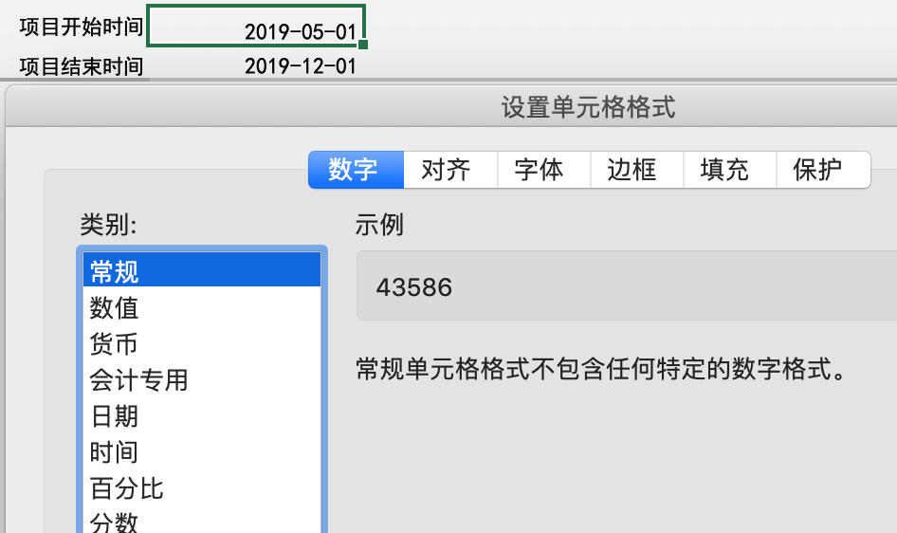
 | Task 3 | 2019-05-15 | 2019-06-12 | F3FFBD
 | Task 4 | 2019-06-01 | 2019-07-25 | F3FFBD
Category 3 | Task 1 | 2019-06-14 | 2019-08-02 | F3FFBD
 | Task 2 | 2019-06-02 | 2019-08-20 | F3FFBD
 | Task 3 | 2019-07-02 | 2019-09-03 | F3FFBD
 | Task 4 | 2019-06-06 | 2019-09-05 | 247BA0
Category 4 | Task 1 | 2019-06-12 | 2019-07-12 | 70C0B3
 | Task 2 | 2019-06-16 | 2019-08-09 | 70C0B3
 | Task 3 | 2019-08-04 | 2019-09-23 | F3FFBD
 | Task 4 | 2019-05-06 | 2019-09-24 | F3FFBD
Category 5 | Task 1 | 2019-07-04 | 2019-10-02 | 70C0B3
 | Task 2 | 2019-06-06 | 2019-10-10 | F3FFBD
 | Task 3 | 2019-05-23 | 2019-08-12 | FF1554
 | Task 4 | 2019-06-24 | 2019-09-23 | F3FFBD
Category 6 | Task 1 | 2019-09-23 | 2019-11-30 | 70C0B3
 | Task 2 | 2019-08-03 | 2019-12-01 | FF1554
 | Task 3 | 2019-08-04 | 2019-11-04 | B2DBBF
 | Task 4 | 2019-06-03 | 2019-10-04 | B2DBBF
Category 7 | Task 1 | 2019-06-01 | 2019-10-01 | 70C0B3
 | Task 2 | 2019-06-12 | 2019-11-01 | F3FFBD
 | Task 3 | 2019-07-03 | 2019-12-01 | B2DBBF
 | Task 4 | 2019-09-05 | 2019-09-30 | F3FFBD
Category 8 | Task 1 | 2019-10-06 | 2019-11-06 | 70C0B3
 | Task 2 | 2019-10-06 | 2019-12-01 | F4A261
 | Task 3 | 2019-10-12 | 2019-11-23 | F4A261
 | Task 4 | 2019-09-05 | 2019-11-05 | FF1554
Category 9 | Task 1 | 2019-06-04 | 2019-11-13 | FF1554
 | Task 2 | 2019-06-09 | 2019-11-19 | F3FFBD
 | Task 3 | 2019-08-05 | 2019-11-01 | B2DBBF
 | Task 4 | 2019-07-23 | 2019-10-23 | 247BA0
Category 10 | Task 1 | 2019-07-01 | 2019-10-01 | B2DBBF
 | Task 2 | 2019-06-18 | 2019-09-23 | F3FFBD
 | Task 3 | 2019-06-01 | 2019-09-01 | F4A261
 | Task 4 | 2019-05-04 | 2019-08-01 | F4A261

